Daily Power Station Chart_14-01
Plant_09/07/2025Chart

Plant:odco1 |  |  | Installed Capacity:111.180kWp
Today Yield(kWh):584.500kWh |  | Today Earning:233800.000TND |  | Today Full Load Hours(h):5.26h

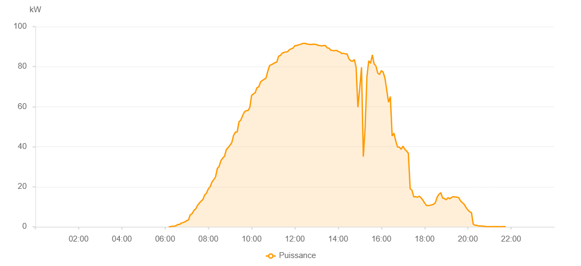

Number | Time | Working State | PV(W) | Instantaneous Radiation(W/㎡)
1 | 06:10:00 | Online | 20.00000 | 0
2 | 06:15:00 | Online | 90.00000 | 0
3 | 06:20:00 | Online | 240.00000 | 0
4 | 06:25:00 | Online | 310.00000 | 2.00000
5 | 06:30:00 | Online | 480.00000 | 5.00000
6 | 06:35:00 | Online | 1120.00000 | 9.00000
7 | 06:40:00 | Online | 1120.00000 | 13.00000
8 | 06:45:00 | Online | 1840.00000 | 18.00000
9 | 06:50:00 | Online | 2100.00000 | 24.00000
10 | 06:55:00 | Online | 2510.00000 | 31.00000
11 | 07:00:00 | Online | 3030.00000 | 38.00000
12 | 07:05:00 | Online | 3500.00000 | 48.00000
13 | 07:10:00 | Online | 5990.00000 | 59.00000
14 | 07:15:00 | Online | 6560.00000 | 70.00000
15 | 07:20:00 | Online | 8160.00000 | 84.00000
16 | 07:25:00 | Online | 8900.00000 | 98.00000
17 | 07:30:00 | Online | 10630.00000 | 113.00000
18 | 07:35:00 | Online | 11860.00000 | 126.00000
19 | 07:40:00 | Online | 12760.00000 | 142.00000
20 | 07:45:00 | Online | 13630.00000 | 157.00000
21 | 07:50:00 | Online | 15940.00000 | 173.00000
22 | 07:55:00 | Online | 16860.00000 | 188.00000
23 | 08:00:00 | Online | 18960.00000 | 204.00000
24 | 08:05:00 | Online | 19990.00000 | 222.00000
25 | 08:10:00 | Online | 22340.00000 | 240.00000
26 | 08:15:00 | Online | 23510.00000 | 257.00000
27 | 08:20:00 | Online | 24970.00000 | 275.00000
28 | 08:25:00 | Online | 29070.00000 | 293.00000
29 | 08:30:00 | Online | 30210.00000 | 311.00000
30 | 08:35:00 | Online | 33070.00000 | 331.00000
31 | 08:40:00 | Online | 34310.00000 | 348.00000
32 | 08:45:00 | Online | 35270.00000 | 370.00000
33 | 08:50:00 | Online | 38560.00000 | 385.00000
34 | 08:55:00 | Online | 39560.00000 | 405.00000
35 | 09:00:00 | Online | 40750.00000 | 424.00000
36 | 09:05:00 | Online | 41990.00000 | 442.00000
37 | 09:10:00 | Online | 45640.00000 | 460.00000
38 | 09:15:00 | Online | 47280.00000 | 478.00000
39 | 09:20:00 | Online | 47280.00000 | 494.00000
40 | 09:25:00 | Online | 52430.00000 | 512.00000
41 | 09:30:00 | Online | 53280.00000 | 528.00000
42 | 09:35:00 | Online | 55470.00000 | 544.00000
43 | 09:40:00 | Online | 57330.00000 | 560.00000
44 | 09:45:00 | Online | 58020.00000 | 576.00000
45 | 09:50:00 | Online | 58020.00000 | 589.00000
46 | 09:55:00 | Online | 59590.00000 | 604.00000
47 | 10:00:00 | Online | 65590.00000 | 618.00000
48 | 10:05:00 | Online | 66370.00000 | 633.00000
49 | 10:10:00 | Online | 67000.00000 | 648.00000
50 | 10:15:00 | Online | 69470.00000 | 660.00000
51 | 10:20:00 | Online | 69910.00000 | 674.00000
52 | 10:25:00 | Online | 72400.00000 | 689.00000
53 | 10:30:00 | Online | 73110.00000 | 701.00000
54 | 10:35:00 | Online | 73710.00000 | 711.00000
55 | 10:40:00 | Online | 74290.00000 | 726.00000
56 | 10:45:00 | Online | 77700.00000 | 737.00000
57 | 10:50:00 | Online | 80540.00000 | 750.00000
58 | 10:55:00 | Online | 80970.00000 | 760.00000
59 | 11:00:00 | Online | 81450.00000 | 773.00000
60 | 11:05:00 | Online | 81980.00000 | 781.00000
61 | 11:10:00 | Online | 82290.00000 | 791.00000
62 | 11:15:00 | Online | 85190.00000 | 802.00000
63 | 11:20:00 | Online | 85580.00000 | 811.00000
64 | 11:25:00 | Online | 86750.00000 | 819.00000
65 | 11:30:00 | Online | 87110.00000 | 827.00000
66 | 11:35:00 | Online | 87340.00000 | 835.00000
67 | 11:40:00 | Online | 87470.00000 | 841.00000
68 | 11:45:00 | Online | 88520.00000 | 845.00000
69 | 11:50:00 | Online | 88880.00000 | 854.00000
70 | 11:55:00 | Online | 89290.00000 | 858.00000
71 | 12:00:00 | Online | 90430.00000 | 866.00000
72 | 12:05:00 | Online | 90580.00000 | 870.00000
73 | 12:10:00 | Online | 90880.00000 | 874.00000
74 | 12:15:00 | Online | 91070.00000 | 878.00000
75 | 12:20:00 | Online | 91490.00000 | 881.00000
76 | 12:25:00 | Online | 91600.00000 | 882.00000
77 | 12:30:00 | Online | 91570.00000 | 886.00000
78 | 12:35:00 | Online | 91230.00000 | 887.00000
79 | 12:40:00 | Online | 91140.00000 | 890.00000
80 | 12:45:00 | Online | 91040.00000 | 889.00000
81 | 12:50:00 | Online | 91200.00000 | 888.00000
82 | 12:55:00 | Online | 91160.00000 | 891.00000
83 | 13:00:00 | Online | 91060.00000 | 887.00000
84 | 13:05:00 | Online | 90610.00000 | 886.00000
85 | 13:10:00 | Online | 90480.00000 | 882.00000
86 | 13:15:00 | Online | 90330.00000 | 882.00000
87 | 13:20:00 | Online | 90580.00000 | 882.00000
88 | 13:25:00 | Online | 90470.00000 | 878.00000
89 | 13:30:00 | Online | 89350.00000 | 874.00000
90 | 13:35:00 | Online | 89190.00000 | 873.00000
91 | 13:40:00 | Online | 88200.00000 | 871.00000
92 | 13:45:00 | Online | 88070.00000 | 865.00000
93 | 13:50:00 | Online | 87990.00000 | 863.00000
94 | 13:55:00 | Online | 88140.00000 | 856.00000
95 | 14:00:00 | Online | 87610.00000 | 852.00000
96 | 14:05:00 | Online | 87340.00000 | 845.00000
97 | 14:10:00 | Online | 86570.00000 | 839.00000
98 | 14:15:00 | Online | 86660.00000 | 832.00000
99 | 14:20:00 | Online | 86340.00000 | 825.00000
100 | 14:25:00 | Online | 86330.00000 | 818.00000
101 | 14:30:00 | Online | 83900.00000 | 811.00000
102 | 14:35:00 | Online | 82970.00000 | 798.00000
103 | 14:40:00 | Online | 82660.00000 | 793.00000
104 | 14:45:00 | Online | 83580.00000 | 788.00000
105 | 14:50:00 | Online | 79710.00000 | 802.00000
106 | 14:55:00 | Online | 59750.00000 | 793.00000
107 | 15:00:00 | Online | 69200.00000 | 399.00000
108 | 15:05:00 | Online | 79630.00000 | 584.00000
109 | 15:10:00 | Online | 35020.00000 | 686.00000
110 | 15:15:00 | Online | 49530.00000 | 317.00000
111 | 15:20:00 | Online | 75010.00000 | 418.00000
112 | 15:25:00 | Online | 82900.00000 | 444.00000
113 | 15:30:00 | Online | 81690.00000 | 681.00000
114 | 15:35:00 | Online | 85840.00000 | 752.00000
115 | 15:40:00 | Online | 81340.00000 | 827.00000
116 | 15:45:00 | Online | 80340.00000 | 769.00000
117 | 15:50:00 | Online | 76780.00000 | 749.00000
118 | 15:55:00 | Online | 76070.00000 | 732.00000
119 | 16:00:00 | Online | 77990.00000 | 725.00000
120 | 16:05:00 | Online | 77270.00000 | 749.00000
121 | 16:10:00 | Online | 74240.00000 | 726.00000
122 | 16:15:00 | Online | 68260.00000 | 665.00000
123 | 16:20:00 | Online | 62200.00000 | 583.00000
124 | 16:25:00 | Online | 65040.00000 | 567.00000
125 | 16:30:00 | Online | 45350.00000 | 588.00000
126 | 16:35:00 | Online | 46800.00000 | 382.00000
127 | 16:40:00 | Online | 42820.00000 | 372.00000
128 | 16:45:00 | Online | 39800.00000 | 321.00000
129 | 16:50:00 | Online | 39800.00000 | 254.00000
130 | 16:55:00 | Online | 38690.00000 | 203.00000
131 | 17:00:00 | Online | 40300.00000 | 215.00000
132 | 17:05:00 | Online | 38690.00000 | 261.00000
133 | 17:10:00 | Online | 37880.00000 | 228.00000
134 | 17:15:00 | Online | 36660.00000 | 210.00000
135 | 17:20:00 | Online | 19050.00000 | 188.00000
136 | 17:25:00 | Online | 18230.00000 | 160.00000
137 | 17:30:00 | Online | 14880.00000 | 146.00000
138 | 17:35:00 | Online | 15100.00000 | 125.00000
139 | 17:40:00 | Online | 14740.00000 | 128.00000
140 | 17:45:00 | Online | 15270.00000 | 129.00000
141 | 17:50:00 | Online | 14520.00000 | 135.00000
142 | 17:55:00 | Online | 13360.00000 | 122.00000
143 | 18:00:00 | Online | 11930.00000 | 116.00000
144 | 18:05:00 | Online | 10680.00000 | 105.00000
145 | 18:10:00 | Online | 10540.00000 | 93.00000
146 | 18:15:00 | Online | 10730.00000 | 92.00000
147 | 18:20:00 | Online | 10940.00000 | 95.00000
148 | 18:25:00 | Online | 11230.00000 | 94.00000
149 | 18:30:00 | Online | 12120.00000 | 99.00000
150 | 18:35:00 | Online | 14880.00000 | 111.00000
151 | 18:40:00 | Online | 16260.00000 | 132.00000
152 | 18:45:00 | Online | 17060.00000 | 151.00000
153 | 18:50:00 | Online | 14410.00000 | 130.00000
154 | 18:55:00 | Online | 14080.00000 | 123.00000
155 | 19:00:00 | Online | 13470.00000 | 110.00000
156 | 19:05:00 | Online | 14540.00000 | 104.00000
157 | 19:10:00 | Online | 14000.00000 | 110.00000
158 | 19:15:00 | Online | 14700.00000 | 107.00000
159 | 19:20:00 | Online | 15030.00000 | 107.00000
160 | 19:25:00 | Online | 14860.00000 | 112.00000
161 | 19:30:00 | Online | 14800.00000 | 111.00000
162 | 19:35:00 | Online | 14480.00000 | 112.00000
163 | 19:40:00 | Online | 12870.00000 | 104.00000
164 | 19:45:00 | Online | 12010.00000 | 97.00000
165 | 19:50:00 | Online | 11190.00000 | 91.00000
166 | 19:55:00 | Online | 9620.00000 | 76.00000
167 | 20:00:00 | Online | 8410.00000 | 54.00000
168 | 20:05:00 | Online | 7530.00000 | 35.00000
169 | 20:10:00 | Online | 7100.00000 | 25.00000
170 | 20:15:00 | Online | 1260.00000 | 18.00000
171 | 20:20:00 | Online | 790.00000 | 11.00000
172 | 20:25:00 | Online | 640.00000 | 9.00000
173 | 20:30:00 | Online | 430.00000 | 6.00000
174 | 20:35:00 | Online | 400.00000 | 4.00000
175 | 20:40:00 | Online | 350.00000 | 4.00000
176 | 20:45:00 | Online | 280.00000 | 2.00000
177 | 20:50:00 | Online | 90.00000 | 1.00000
178 | 20:55:00 | Online | 50.00000 | 0
179 | 21:00:00 | Online | 40.00000 | 0
180 | 21:05:00 | Online | 40.00000 | 0
181 | 21:10:00 | Online | 40.00000 | 0
182 | 21:15:00 | Online | 40.00000 | 0
183 | 21:20:00 | Online | 40.00000 | 0
184 | 21:25:00 | Online | 40.00000 | 0
185 | 21:30:00 | Online | 40.00000 | 0
186 | 21:35:00 | Online | 40.00000 | 0
187 | 21:40:00 | Online | 40.00000 | 0
188 | 21:45:00 | Online | 40.00000 | 0
189 | 22:05:00 | Online | 0.00001 | 0.00001

